Sheet1
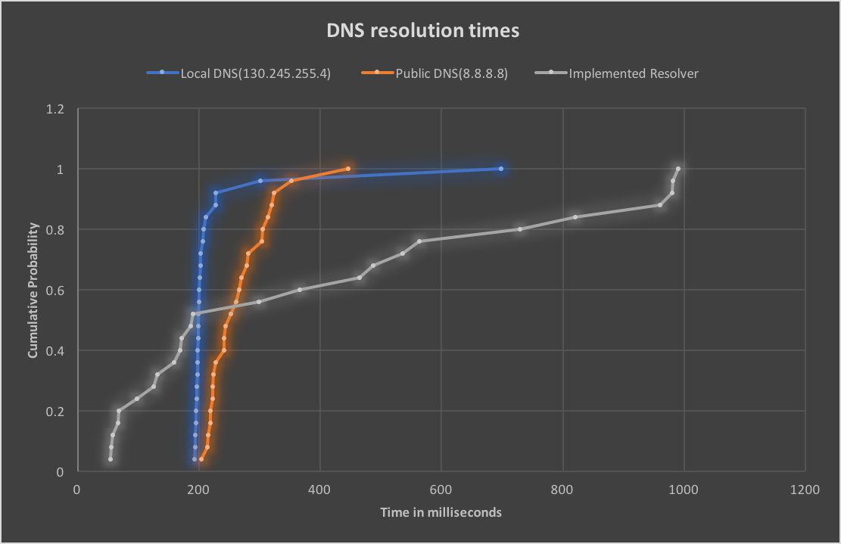
Domain Name | Local DNS(130.245.255.4) | Public DNS(8.8.8.8) | Implemented Resolver
google.com | 197.3 | 304.1 | 172.1
youtube.com | 194.6 | 222.3 | 68.58
facebook.com | 200.8 | 222.9 | 97.45
baidu.com | 698.3 | 261.1 | 487.87
yahoo.com | 196.2 | 244 | 58.24
wikipedia.org | 198.7 | 227.5 | 168.64
google.co.in | 193.4 | 314 | 464.44
tmall.com | 301.2 | 252.3 | 159.13
qq.com | 200.7 | 214.5 | 980.2
amazon.com | 199.1 | 281.8 | 54.61
sohu.com | 196.3 | 270.3 | 960.06
google.co.jp | 195.3 | 241.7 | 820.47
taobao.com | 198.2 | 219.5 | 131.11
live.com | 195.1 | 278.9 | 190.42
vk.com | 202.4 | 241.3 | 980.1
twitter.com | 194.4 | 203.8 | 55.73
360.cn | 211.4 | 446.4 | 990.7
linkedin.com | 201.7 | 219.4 | 66.15
instagram.com | 199.4 | 214.7 | 125.95
yahoo.co.jp | 206.9 | 320.4 | 536.59
sina.com.cn | 227.6 | 266.5 | 729.16
jd.com | 227.6 | 352.9 | 366.46
google.de | 197.2 | 324.4 | 563.09
reddit.com | 202.7 | 305.6 | 186.28
google.co.uk | 207.3 | 224.6 | 299.13

Note: time is in milliseconds

 | Comparison of DNS resolution times

